Flujo Max
2
12
1
10
10
2
4
6
4
6
10
1
10
8
1
6
10
1
 |  |  |  |  | Xmax
Xmax
8
3
2
8
5
1
7
5
10
5

Max Z = Xmax
Sujeto a;
 | X12 ≤ 10 | X21 ≤ 4 | Nodo 1 | Xmax = X12 +X13
 | X13 ≤ 8 | X31 ≤ 2 | Nodo 2 | X12+ X52 + X42 = X21 + X24 + X25
 | X24 ≤ 12 | X42 ≤ 1 | Nodo 3 | X13+ X53 = X31 + X35
 | X25 ≤ 6 | X52 ≤ 6 | Nodo 4 | X24 +X64 = X46 + X42
 | X35 ≤ 8 | X53 ≤ 1 | Nodo 5 | X25 +X35+ X65 +X75 =X53 +X52+ X56 +X57
 | X46 ≤ 10 | X64 ≤ 2 | Nodo 6 | X46+ X56 +X86 = X68 +X64 + X65
 | X56 ≤ 10 | X65 ≤ 10 | Nodo 7 | X57 +X87 =X78 + X75
 | X57 ≤ 5 | X75 ≤ 5 | Nodo 8 | X68 +X78 = Xmax
 | X68 ≤ 10 | X86 ≤ 1
 | X78 ≤ 10 | X87 ≤ 1
 | Xij ≥ 0 ꓯ i,j

 |  |  |  |  |  |  | X12 | X13 | X24 | X25 | X35 | X46 | X56 | X57 | X68 | X78 | X21 | X31 | X42 | X52 | X53 | X64 | X65 | X75 | X86 | X87 | Xmax
Max Z = Xmax |  |  |  |  |  | Variables | 8 | 8 | 7 | 0 | 8 | 7 | 3 | 5 | 10 | 6 | 1 | 0 | 0 | 0 | 0 | 0 | 0 | 0 | 0 | 1 | 16 | Z
Sujeto a; |  |  |  |  |  | FO | 0 | 0 | 0 | 0 | 0 | 0 | 0 | 0 | 0 | 0 | 0 | 0 | 0 | 0 | 0 | 0 | 0 | 0 | 0 | 0 | 1 | 16
 | X12 ≤ 10 | X21 ≤ 4 | Nodo 1 | Xmax - X12 - X13 = 0 |  | X12 | 1 |  |  |  |  |  |  |  |  |  |  |  |  |  |  |  |  |  |  |  |  | 8 | ≤ | 10
 | X13 ≤ 8 | X31 ≤ 2 | Nodo 2 | X12+ X52 + X42 - X21 - X24 - X25 = 0 |  | X13 |  | 1 |  |  |  |  |  |  |  |  |  |  |  |  |  |  |  |  |  |  |  | 8 | ≤ | 8
 | X24 ≤ 12 | X42 ≤ 1 | Nodo 3 | X13+ X53 - X31 - X35 = 0 |  | X24 |  |  | 1 |  |  |  |  |  |  |  |  |  |  |  |  |  |  |  |  |  |  | 7 | ≤ | 12
 | X25 ≤ 6 | X52 ≤ 6 | Nodo 4 | X24 +X64 - X46 - X42 = 0 |  | X25 |  |  |  | 1 |  |  |  |  |  |  |  |  |  |  |  |  |  |  |  |  |  | 0 | ≤ | 6
 | X35 ≤ 8 | X53 ≤ 1 | Nodo 5 | X25 +X35+ X65 +X75 - X53 - X52 - X56 - X57 = 0 |  | X35 |  |  |  |  | 1 |  |  |  |  |  |  |  |  |  |  |  |  |  |  |  |  | 8 | ≤ | 8
 | X46 ≤ 10 | X64 ≤ 2 | Nodo 6 | X46+ X56 +X86 - X68 - X64 - X65 = 0 |  | X46 |  |  |  |  |  | 1 |  |  |  |  |  |  |  |  |  |  |  |  |  |  |  | 7 | ≤ | 10
 | X56 ≤ 10 | X65 ≤ 10 | Nodo 7 | X57 +X87 - X78 - X75 =0 |  | X56 |  |  |  |  |  |  | 1 |  |  |  |  |  |  |  |  |  |  |  |  |  |  | 3 | ≤ | 10
 | X57 ≤ 5 | X75 ≤ 5 | Nodo 8 | X68 + X78 - Xmax = 0 |  | X57 |  |  |  |  |  |  |  | 1 |  |  |  |  |  |  |  |  |  |  |  |  |  | 5 | ≤ | 5
 | X68 ≤ 10 | X86 ≤ 1 |  |  |  | X68 |  |  |  |  |  |  |  |  | 1 |  |  |  |  |  |  |  |  |  |  |  |  | 10 | ≤ | 10
 | X78 ≤ 10 | X87 ≤ 1 |  |  |  | X78 |  |  |  |  |  |  |  |  |  | 1 |  |  |  |  |  |  |  |  |  |  |  | 6 | ≤ | 10
 | Xij ≥ 0 ꓯ i,j |  |  |  |  | X21 |  |  |  |  |  |  |  |  |  |  | 1 |  |  |  |  |  |  |  |  |  |  | 1 | ≤ | 4
 |  |  |  |  |  | X31 |  |  |  |  |  |  |  |  |  |  |  | 1 |  |  |  |  |  |  |  |  |  | 0 | ≤ | 2
 |  |  |  |  |  | X42 |  |  |  |  |  |  |  |  |  |  |  |  | 1 |  |  |  |  |  |  |  |  | 0 | ≤ | 1
 |  |  |  |  |  | X52 |  |  |  |  |  |  |  |  |  |  |  |  |  | 1 |  |  |  |  |  |  |  | 0 | ≤ | 6
 |  |  |  |  |  | X53 |  |  |  |  |  |  |  |  |  |  |  |  |  |  | 1 |  |  |  |  |  |  | 0 | ≤ | 1
 |  |  |  |  |  | X64 |  |  |  |  |  |  |  |  |  |  |  |  |  |  |  | 1 |  |  |  |  |  | 0 | ≤ | 2
 |  |  |  |  |  | X65 |  |  |  |  |  |  |  |  |  |  |  |  |  |  |  |  | 1 |  |  |  |  | 0 | ≤ | 10
 |  |  |  |  |  | X75 |  |  |  |  |  |  |  |  |  |  |  |  |  |  |  |  |  | 1 |  |  |  | 0 | ≤ | 5
 |  |  |  |  |  | X86 |  |  |  |  |  |  |  |  |  |  |  |  |  |  |  |  |  |  | 1 |  |  | 0 | ≤ | 1
 |  |  |  |  |  | X87 |  |  |  |  |  |  |  |  |  |  |  |  |  |  |  |  |  |  |  | 1 |  | 1 | ≤ | 1
 |  |  |  |  |  | Nodo 1 | -1 | -1 |  |  |  |  |  |  |  |  |  |  |  |  |  |  |  |  |  |  | 1 | 0 | = | 0
 |  |  |  |  |  | Nodo 2 | 1 |  | -1 |  |  |  |  |  |  |  | -1 |  | 1 | 1 |  |  |  |  |  |  |  | 0 | = | 0
 |  |  |  |  |  | Nodo 3 |  | 1 |  |  | -1 |  |  |  |  |  |  | -1 |  |  | 1 |  |  |  |  |  |  | 0 | = | 0
 |  |  |  |  |  | Nodo 4 |  |  | 1 |  |  | -1 |  |  |  |  |  |  | -1 |  |  | 1 |  |  |  |  |  | 0 | = | 0
 |  |  |  |  |  | Nodo 5 |  |  |  | 1 | 1 |  | -1 | -1 |  |  |  |  |  | -1 | -1 |  | 1 | 1 |  |  |  | 0 | = | 0
 |  |  |  |  |  | Nodo 6 |  |  |  |  |  | 1 | 1 |  | -1 |  |  |  |  |  |  | -1 | -1 |  | 1 |  |  | 0 | = | 0
 |  |  |  |  |  | Nodo 7 |  |  |  |  |  |  |  | 1 |  | -1 |  |  |  |  |  |  |  | -1 |  | 1 |  | 0 | = | 0
 |  |  |  |  |  | Nodo 8 |  |  |  |  |  |  |  |  | 1 | 1 |  |  |  |  |  |  |  |  |  |  | -1 | 0 | = | 0

Ruta mas corta
3
4
2
4
6
3
3
2
1
1
8
 | Origen |  |  |  | Destino

2
6
3
3
5
7
2

 | Variables
 |  | Xij= Rama del nodo i al nodo j (Binarias)
 |  |  |  |  |  |  | X12 | X13 | X24 | X35 | X45 | X46 | X57 | X67 | X68 | X78 | X54 | X76
 | Min Z = 3X12 + 2X13 + 3X24 + 3X35 + X45 + 4X46 + 2X57 + 2X67 + 3X68 + 6X78 +X54 + 2X76 |  |  |  |  | Variables | 0 | 1 | 0 | 1 | 0 | 0 | 1 | 0 | 1 | 0 | 0 | 1 | Z
 |  |  |  |  |  | FO | 3 | 2 | 3 | 3 | 1 | 4 | 2 | 2 | 3 | 6 | 1 | 2 | 12
 | S.a.
Nodo 1 | X12+X13 = 1 |  |  |  |  | Nodo 1 | 1 | 1 |  |  |  |  |  |  |  |  |  |  | 1 | = | 1
Nodo 2 | X12 = X24 |  | ===> | X12 - X24 = 0 |  | Nodo 2 | 1 |  | -1 |  |  |  |  |  |  |  |  |  | 0 | = | 0
Nodo 3 | X13=X35 |  | ===> | X13 - X35 = 0 |  | Nodo 3 |  | 1 |  | -1 |  |  |  |  |  |  |  |  | 0 | = | 0
Nodo 4 | X24 + X54 = X46 + X45 |  | ===> | X24 + X54 - X46 - X45 = 0 |  | Nodo 4 |  |  | 1 |  | -1 | -1 |  |  |  |  | 1 |  | 0 | = | 0
Nodo 5 | X35 + X45 = X57 + X54 |  | ===> | X35 + X45 - X57 - X54 = 0 |  | Nodo 5 |  |  |  | 1 | 1 |  | -1 |  |  |  | -1 |  | 0 | = | 0
Nodo 6 | X46 + X76 = X67 + X68 |  | ===> | X46 + X76 - X67 - X68 = 0 |  | Nodo 6 |  |  |  |  |  | 1 |  | -1 | -1 |  |  | 1 | 0 | = | 0
Nodo 7 | X57 + X67 = X78 + X76 |  | ===> | X57 + X67 - X78 - X76 = 0 |  | Nodo 7 |  |  |  |  |  |  | 1 | 1 |  | -1 |  | -1 | 0 | = | 0
Nodo 8 | X68 +X78 = 1 |  |  |  |  | Nodo 8 |  |  |  |  |  |  |  |  | 1 | 1 |  |  | 1 | = | 1

11-19
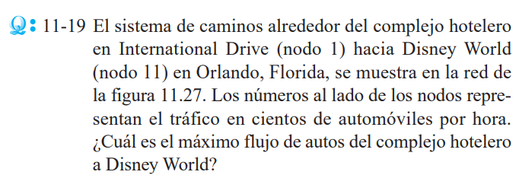
 |  |  |  |  | X12 | X13 | X14 | X15 | X26 | X37 | X47 | X48 | X58 | X69 | X710 | X810 | X911 | X1011 | X119 | X1110 | X96 | X108 | X107 | X62 | X21 | X73 | X74 | X84 | X85 | X31 | X41 | X51 | Xmax
 |  |  |  | Variables | 10 | 8 | 0 | 0 | 0 | 8 | 0 | 2 | 0 | 0 | 8 | 2 | 0 | 10 | 0 | 0 | 0 | 0 | 0 | 0 | 2 | 0 | 0 | 0 | 0 | 0 | 0 | 0 | 10 | Z
 |  |  |  | FO | 0 | 0 | 0 | 0 | 0 | 0 | 0 | 0 | 0 | 0 | 0 | 0 | 0 | 0 | 0 | 0 | 0 | 0 | 0 | 0 | 0 | 0 | 0 | 0 | 0 | 0 | 0 | 0 | 1 | 10
Variables |  |  |  | X12 | 1 |  |  |  |  |  |  |  |  |  |  |  |  |  |  |  |  |  |  |  |  |  |  |  |  |  |  |  |  | 10 | ≤ | 10
Xij= Distancia del nodo i al nodo j |  |  |  | X13 |  | 1 |  |  |  |  |  |  |  |  |  |  |  |  |  |  |  |  |  |  |  |  |  |  |  |  |  |  |  | 8 | ≤ | 18
 |  |  |  | X14 |  |  | 1 |  |  |  |  |  |  |  |  |  |  |  |  |  |  |  |  |  |  |  |  |  |  |  |  |  |  | 0 | ≤ | 8
F.O Max Z = Xmax |  |  |  | X15 |  |  |  | 1 |  |  |  |  |  |  |  |  |  |  |  |  |  |  |  |  |  |  |  |  |  |  |  |  |  | 0 | ≤ | 15
 |  |  |  | X26 |  |  |  |  | 1 |  |  |  |  |  |  |  |  |  |  |  |  |  |  |  |  |  |  |  |  |  |  |  |  | 0 | ≤ | 3
Restricciones |  |  |  | X37 |  |  |  |  |  | 1 |  |  |  |  |  |  |  |  |  |  |  |  |  |  |  |  |  |  |  |  |  |  |  | 8 | ≤ | 15
 |  |  |  | X47 |  |  |  |  |  |  | 1 |  |  |  |  |  |  |  |  |  |  |  |  |  |  |  |  |  |  |  |  |  |  | 0 | ≤ | 8
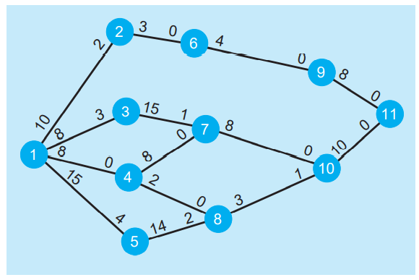
X12 ≤ 10 | X69 ≤ 4 | X107 ≤ 0 | X51 ≤ 4 | X48 |  |  |  |  |  |  |  | 1 |  |  |  |  |  |  |  |  |  |  |  |  |  |  |  |  |  |  |  |  |  | 2 | ≤ | 2
X13 ≤ 18 | X710 ≤ 8 | X62 ≤ 0 | Xij ≥ 0 ꓯ i,j | X58 |  |  |  |  |  |  |  |  | 1 |  |  |  |  |  |  |  |  |  |  |  |  |  |  |  |  |  |  |  |  | 0 | ≤ | 14
X14 ≤ 8 | X810 ≤ 3 | X21 ≤ 2 |  | X69 |  |  |  |  |  |  |  |  |  | 1 |  |  |  |  |  |  |  |  |  |  |  |  |  |  |  |  |  |  |  | 0 | ≤ | 4
X15 ≤ 15 | X911 ≤ 8 | X73 ≤ 1 |  | X710 |  |  |  |  |  |  |  |  |  |  | 1 |  |  |  |  |  |  |  |  |  |  |  |  |  |  |  |  |  |  | 8 | ≤ | 8
X26 ≤ 3 | X1011 ≤ 10 | X74 ≤ 0 |  | X810 |  |  |  |  |  |  |  |  |  |  |  | 1 |  |  |  |  |  |  |  |  |  |  |  |  |  |  |  |  |  | 2 | ≤ | 3
X37 ≤ 15 | X119 ≤ 0 | X84 ≤ 0 |  | X911 |  |  |  |  |  |  |  |  |  |  |  |  | 1 |  |  |  |  |  |  |  |  |  |  |  |  |  |  |  |  | 0 | ≤ | 8
X47 ≤ 8 | X1110 ≤ 0 | X85 ≤ 2 |  | X1011 |  |  |  |  |  |  |  |  |  |  |  |  |  | 1 |  |  |  |  |  |  |  |  |  |  |  |  |  |  |  | 10 | ≤ | 10
X48 ≤ 2 | X96 ≤ 0 | X31 ≤ 3 |  | X119 |  |  |  |  |  |  |  |  |  |  |  |  |  |  | 1 |  |  |  |  |  |  |  |  |  |  |  |  |  |  | 0 | ≤ | 0
X58 ≤ 14 | X108 ≤ 1 | X41 ≤ 0 |  | X1110 |  |  |  |  |  |  |  |  |  |  |  |  |  |  |  | 1 |  |  |  |  |  |  |  |  |  |  |  |  |  | 0 | ≤ | 0
 |  |  |  | X96 |  |  |  |  |  |  |  |  |  |  |  |  |  |  |  |  | 1 |  |  |  |  |  |  |  |  |  |  |  |  | 0 | ≤ | 0
Balance de nodos |  |  |  | X108 |  |  |  |  |  |  |  |  |  |  |  |  |  |  |  |  |  | 1 |  |  |  |  |  |  |  |  |  |  |  | 0 | ≤ | 1
Nodo 1 | Xmax - X12 - X13 - X14 - X15 = 0 |  |  | X107 |  |  |  |  |  |  |  |  |  |  |  |  |  |  |  |  |  |  | 1 |  |  |  |  |  |  |  |  |  |  | 0 | ≤ | 0
Nodo 2 | X12 - X21 - X26 = 0 |  |  | X62 |  |  |  |  |  |  |  |  |  |  |  |  |  |  |  |  |  |  |  | 1 |  |  |  |  |  |  |  |  |  | 0 | ≤ | 0
Nodo 3 | X13 - X31 - X37 = 0 |  |  | X21 |  |  |  |  |  |  |  |  |  |  |  |  |  |  |  |  |  |  |  |  | 1 |  |  |  |  |  |  |  |  | 2 | ≤ | 2
Nodo 4 | X14 - X41 - X47 = 0 |  |  | X73 |  |  |  |  |  |  |  |  |  |  |  |  |  |  |  |  |  |  |  |  |  | 1 |  |  |  |  |  |  |  | 0 | ≤ | 1
Nodo 5 | X15 - X51 - X58 = 0 |  |  | X74 |  |  |  |  |  |  |  |  |  |  |  |  |  |  |  |  |  |  |  |  |  |  | 1 |  |  |  |  |  |  | 0 | ≤ | 0
Nodo 6 | X26 - X62 - X69 = 0 |  |  | X84 |  |  |  |  |  |  |  |  |  |  |  |  |  |  |  |  |  |  |  |  |  |  |  | 1 |  |  |  |  |  | 0 | ≤ | 0
Nodo 7 | X37 + X47 - X73 - X74 - X710 = 0 |  |  | X85 |  |  |  |  |  |  |  |  |  |  |  |  |  |  |  |  |  |  |  |  |  |  |  |  | 1 |  |  |  |  | 0 | ≤ | 2
Nodo 8 | X48 + X58 - X84 - X85 - X810 = 0 |  |  | X31 |  |  |  |  |  |  |  |  |  |  |  |  |  |  |  |  |  |  |  |  |  |  |  |  |  | 1 |  |  |  | 0 | ≤ | 3
Nodo 9 | X69 - X96 - X911 = 0 |  |  | X41 |  |  |  |  |  |  |  |  |  |  |  |  |  |  |  |  |  |  |  |  |  |  |  |  |  |  | 1 |  |  | 0 | ≤ | 0
Nodo 10 | X710 + X810 - X107 - X108 - X1011 = 0 |  |  | X51 |  |  |  |  |  |  |  |  |  |  |  |  |  |  |  |  |  |  |  |  |  |  |  |  |  |  |  | 1 |  | 0 | ≤ | 4
Nodo 11 | X1011 + X911 - Xmax = 0 |  |  | Nodo 1 | -1 |  |  |  |  |  |  |  |  |  |  |  |  |  |  |  |  |  |  |  |  |  |  |  |  |  |  |  | 1 | 0 | = | 0
 |  |  |  | Nodo 2 | 1 | -1 |  |  | -1 |  |  |  |  |  |  |  |  |  |  |  |  |  |  |  | -1 |  |  |  |  |  |  |  |  | 0 | = | 0
 |  |  |  | Nodo 3 |  | 1 | -1 |  |  | -1 |  |  |  |  |  |  |  |  |  |  |  |  |  |  |  |  |  |  |  | -1 |  |  |  | 0 | = | 0
 |  |  |  | Nodo 4 |  |  | 1 | -1 |  |  |  |  |  |  |  |  |  |  |  |  |  |  |  |  |  |  |  |  |  |  | -1 |  |  | 0 | = | 0
 |  |  |  | Nodo 5 |  |  |  | 1 |  |  |  |  | -1 |  |  |  |  |  |  |  |  |  |  |  |  |  |  |  |  |  |  | -1 |  | 0 | = | 0
 |  |  |  | Nodo 6 |  |  |  |  | 1 |  |  |  |  | -1 |  |  |  |  |  |  |  |  |  | -1 |  |  |  |  |  |  |  |  |  | 0 | = | 0
 |  |  |  | Nodo 7 |  |  |  |  |  | 1 | 1 |  |  |  | -1 |  |  |  |  |  |  |  |  |  |  | -1 | -1 |  |  |  |  |  |  | 0 | = | 0
 |  |  |  | Nodo 8 |  |  |  |  |  |  |  | 1 | 1 |  |  | -1 |  |  |  |  |  |  |  |  |  |  |  | -1 | -1 |  |  |  |  | 0 | = | 0
 |  |  |  | Nodo 9 |  |  |  |  |  |  |  |  |  | 1 |  |  | -1 |  |  |  | -1 |  |  |  |  |  |  |  |  |  |  |  |  | 0 | = | 0
 |  |  |  | Nodo 10 |  |  |  |  |  |  |  |  |  |  | 1 | 1 |  | -1 |  |  |  | -1 | -1 |  |  |  |  |  |  |  |  |  |  | 0 | = | 0
 |  |  |  | Nodo 11 |  |  |  |  |  |  |  |  |  |  |  |  | 1 | 1 |  |  |  |  |  |  |  |  |  |  |  |  |  |  | -1 | 0 | = | 0

 |  | X48 ≤ 2

11-17
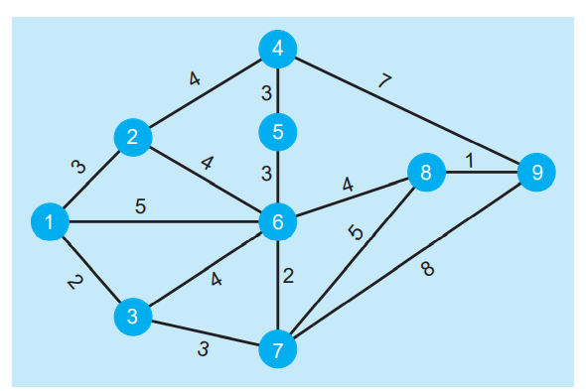
Variables
Xij= Distancia del nodo i al nodo j

F.O Min Z = 3X12 + 2X13 + 5X16 + 4X24 + 4X26 + 4X36 + 3X37 + 3X45 + 7X49 + 3X56 + 2X67 + 4X68 + 5X78 + 8X79 + 1X89

Balance de nodos
Nodo 1 | X13 + X16 + X12 = 1
Nodo 2 | X12 - X24 - X26 = 0
Nodo 3 | X13 - X36 - X37 = 0
Nodo 4 | X24 - X45 - X49 = 0
Nodo 5 | X45 - X56 = 0
Nodo 6 | X16 + X26 + X56 - X67 - X68 = 0
Nodo 7 | X37 + X67 - X78 + X79 = 0
Nodo 8 | X68 + X78 - X89 = 0
Nodo 9 | X49 + X89 + X79 = 1

 | X12 | X13 | X16 | X24 | X26 | X36 | X37 | X45 | X49 | X56 | X67 | X68 | X78 | X79 | X89
Variables | 0 | 0 | 1 | 0 | 0 | 0 | 0 | 0 | 0 | 0 | 0 | 1 | 0 | 0 | 1 | Z
FO | 3 | 2 | 5 | 4 | 4 | 4 | 3 | 3 | 7 | 3 | 2 | 4 | 5 | 8 | 1 | 10

Nodo 1 | 1 | 1 | 1 |  |  |  |  |  |  |  |  |  |  |  |  | 1 | = | 1
Nodo 2 | 1 |  |  | -1 | -1 |  |  |  |  |  |  |  |  |  |  | 0 | = | 0
Nodo 3 |  | 1 |  |  |  | -1 | -1 |  |  |  |  |  |  |  |  | 0 | = | 0
Nodo 4 |  |  |  | 1 |  |  |  | -1 | -1 |  |  |  |  |  |  | 0 | = | 0
Nodo 5 |  |  |  |  |  |  |  | 1 |  | -1 |  |  |  |  |  | 0 | = | 0
Nodo 6 |  |  | 1 |  | 1 |  |  |  |  | 1 | -1 | -1 |  |  |  | 0 | = | 0
Nodo 7 |  |  |  |  |  |  | 1 |  |  |  | 1 |  | -1 | -1 |  | 0 | = | 0
Nodo 8 |  |  |  |  |  |  |  |  |  |  |  | 1 | 1 |  | -1 | 0 | = | 0
Nodo 9 |  |  |  |  |  |  |  |  |  | 1 |  |  |  | 1 | 1 | 1 | = | 1

No entra
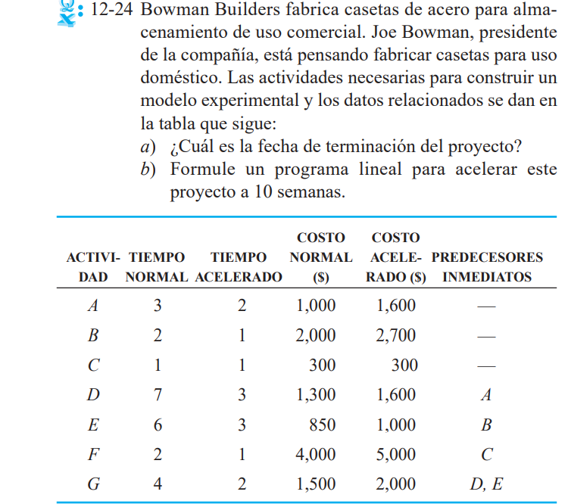

D
 |  | La actividad F no puede quedar sin estar conectada
 |  | Por lo que se conecta al final
2
A
5
G
E
1
B
3
6
Origen |  |  | Fin
F
C
4

Variables
Nodo 1 | X1 = A
Nodo 2 | X2 = B
Nodo 3 | X3 = C
Nodo 4 | X4 = D
Nodo 5 | X5 = E
Nodo 6 | X6 = F

Xij= Distancia del nodo i al nodo j

F.O Min Z = X6 - X1

Restricciones

